IEA
crude oil | 2019 USD / barrel | 63
natural gas | 2019 USD / Mbtu | 11
coal | 2019 USD / tonne | 68

crude oil | 2012 USD / BTU | 9.9415662247E-06
natural gas | 2012 USD / BTU | 9.878602972E-06
coal | 2012 USD / BTU | 2.8566363443E-06

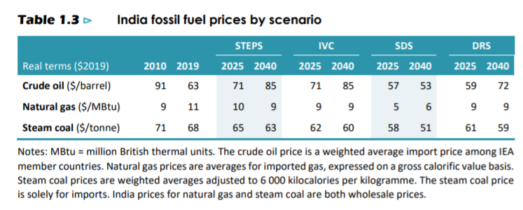

BTU per gallon crude | 5691000 | https://www.eia.gov/energyexplained/units-and-calculators/
kcal per BTU | 3.96737 | https://www.convertunits.com/from/btu/to/kcal

LNG
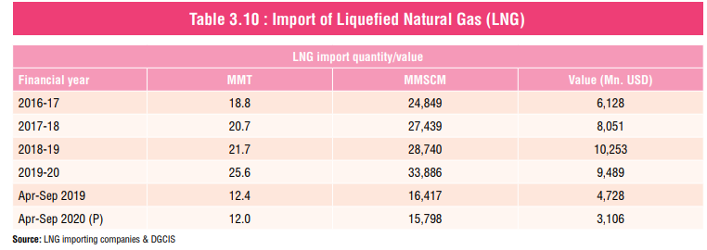
Import Quantity and Value of LNG in India
Financial Year | LNG Import Quantity (MMT) | Value (Million USD) | Price (USD/MT)
2019 | 21.7 | 10253 | 472
2020 | 25.6 | 9489 | 371

 |  |  |  | Source: | PPAC

